Dashboard
Yönetici Panosu

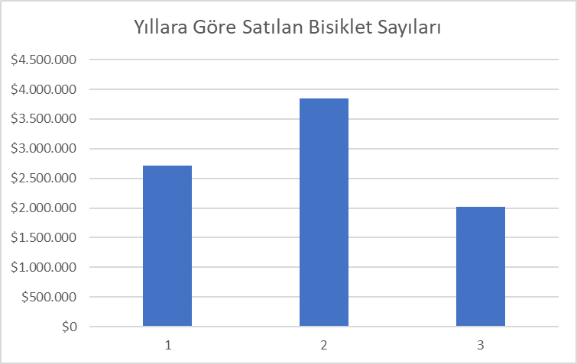
Aylık Gelir
 | 2016 | 2017 | 2018
Oca | 241184.15 | 316954.77 | 426301.72
Şub | 175768.1 | 348740.47 | 223941.44
Mar | 202157.14 | 348177.13 | 406701.2
Nis | 187223.55 | 254105.57 | 909179.47
Haz | 228701.13 | 297754.66 | 209.99
Tem | 231120.29 | 419892.07 | 12949.89
Ağu | 222854.21 | 255727.63 | 10256.91
Eyl | 253130.83 | 322553.32 | 9949.96
Eki | 303282.61 | 329388.68 | 4219.92
Kas | 235051.79 | 345316.18 | 12278.93
Ara | 205315.47 | 315881.67 | 7999.96
 | 223695.2 | 291022.87

